Calculations
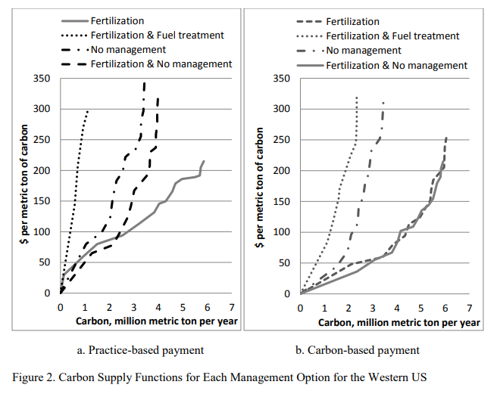
Total acres in study | 42000000
Molecular weight of C | 12
Molecular weight of CO2 | 44
Maximum carbon sequestration (MMT per year) | 6
g per ton | 1000000
grams CO2 per acre per year | 523809.52381

